What is Normalization
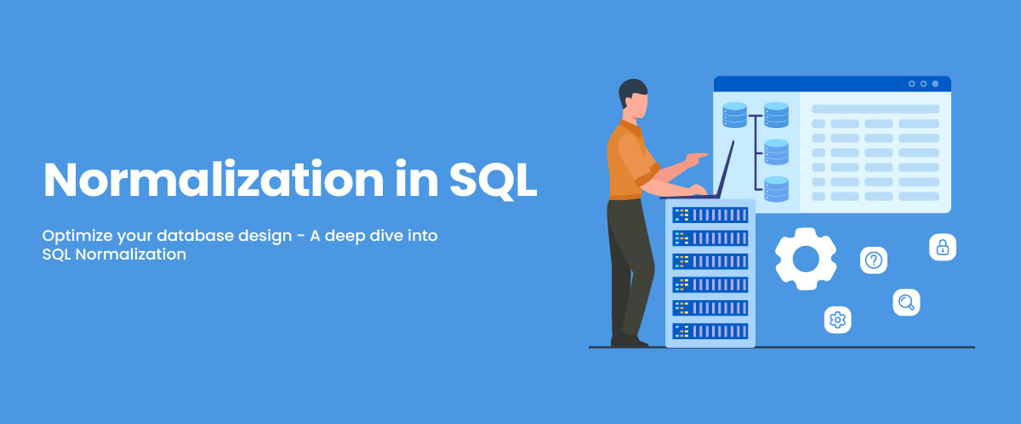

What is Normalization ? Normalization is the process of organizing the data or designing a db more effectively to avoid data duplication or redundancy by adding more table.

